Question 1
Question 1
Units of |  |  | Upper
Flow | From | To | Bound
3 | 1 | 2 | 3 | Node | FlowIn | FlowOut | LHS | Sign | RHS
1 | 2 | 3 | 2 | 1 | 3 | 3 | 0 | = | 0
2 | 2 | 4 | 3 | 2 | 3 | 3 | 0 | = | 0
1 | 3 | 5 | 1 | 3 | 1 | 1 | 0 | = | 0
2 | 4 | 5 | 2 | 4 | 2 | 2 | 0 | = | 0
3 | 5 | 1 | 999 | 5 | 3 | 3 | 0 | = | 0

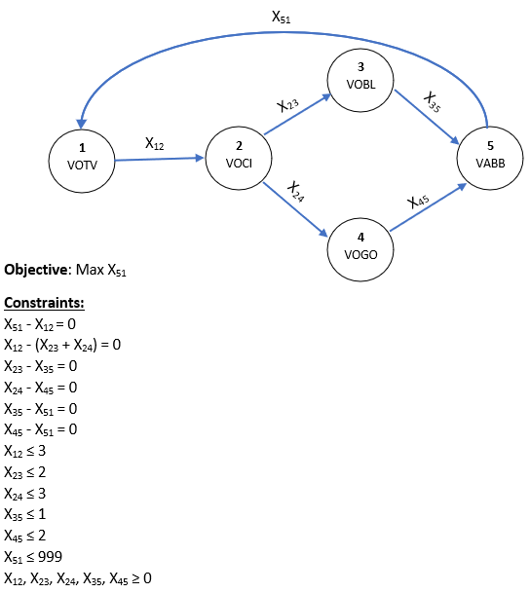
 | Objective | 3

Question 2
Variables
I1 = {1, if investment is made in Investment 1
0, otherwise}
I2 = {1, if investment is made in Investment 2
0, otherwise}
I3 = {1, if investment is made in Investment 3
0, otherwise}
I4 = {1, if investment is made in Investment 4
0, otherwise}
I5 = {1, if investment is made in Investment 5
0, otherwise}
I6 = {1, if investment is made in Investment 6
0, otherwise}
Obj: Max Z = (20000*I1) + (22000*I2) + (17000*I3) + (21000*I4) + (10000*I5) + (8000*I6)
Constraints
(5000*I1) + (7000*I2) + (4000*I3) + (6000*I4) + (6000*I5) + (1500*I6) ≤ 22000 I2 + I4 ≤ 1 I3 + I6 ≤ 1 I1 ≤ I4 I1 ≤ I5 I2 ≤ I1 I2 + I3 ≥ 1 I1 + I2 + I3 + I4 + I5 + I6 ≥ 3 I1, I2, I3, I4, I5, I6 = 0 or 1
Question 2 | I1 | I2 | I3 | I4 | I5 | I6
Invest (1=Yes, 0=No) | 1 | 0 | 1 | 1 | 1 | 0 |  | Objective | $68,000
NPV | $20,000 | $22,000 | $17,000 | $21,000 | $10,000 | $8,000
Cash Outflow | $5,000 | $7,000 | $4,000 | $6,000 | $3,000 | $1,500

Constraints |  |  |  |  |  |  | LHS | Sign | RHS
Available Investment | 5000 | 7000 | 4000 | 6000 | 3000 | 1500 | 18000 | <= | 22000
If I2, Not I4 |  | 1 |  | 1 |  |  | 1 | <= | 1
If I3, Not I6 |  |  | 1 |  |  | 1 | 1 | <= | 1
If I1, Then I4 | 1 |  |  | -1 |  |  | 0 | <= | 0
If I1, Then I5 | 1 |  |  |  | -1 |  | 0 | <= | 0
If I2, Then I1 | -1 | 1 |  |  |  |  | -1 | <= | 0
Must Have I2 or I3 |  | 1 | 1 |  |  |  | 1 | >= | 1
At Least 3 Investments | 1 | 1 | 1 | 1 | 1 | 1 | 4 | >= | 3

Question 3
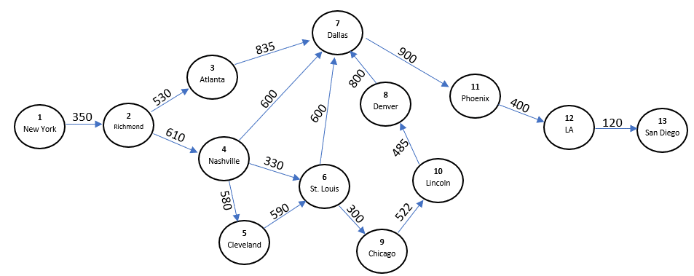
Question 3
path? | From | To | Distance |  |  |  |  |  |  |  |  |  | Route
1 | 1 | 2 | 350 |  | Node | FlowIn | FlowOut | LHS | Sign | RHS | Objective | 2,980 | New York -> Richmond -> Nashville -> Dallas -> Phoenix - LA -> San Diego
1 | 2 | 4 | 610 | New York | 1 | 0 | 1 | -1 | = | -1
Variables Definitions S { S₁(New York), S₂(Richmond), S₃(Atlanta), S₄(Nashville), S₅(Cleveland), S₆(St. Louis), S₇(Dallas), S₈(Denver), S₉(Chicago), S₁₀(Lincoln), S₁₁(Phoenix), S₁₂(LA) } D { D₂(Richmond), D₃(Atlanta), D₄(Nashville), D₅(Cleveland), D₆(St. Louis), D₇(Dallas), D₈(Denver), D₉(Chicago), D₁₀(Lincoln), D₁₁(Phoenix), D₁₂(LA), D₁₃(San Diego) } X_{ij} { 1 if we travel in arc ij, 0 if otherwise, where i ∈ S, j ∈ D }
Obj: min Z: 350X_{S1D2} + 610X_{S2D4} + 530X_{S2D3} + 835X_{S3D7} + 580X_{S4D5} + 590X_{S5D6} + 330X_{S4D6} + 600X_{S4D7} + 300X_{S6D9} + 600X_{S6D7} +900X_{S7D11} + 800X_{S8D7} + 522X_{S9D10} + 485X_{S10D8} + 400X_{S11D12} + 120X_{S12D13}
­Constraints -[X₁₂] = -1 X₁₂ - X₂₃ - X₂₄ = 0 X₂₃ - X₃₇ = 0 X₂₄ - X₄₇ - X₄₆ - X₄₅ = 0 X₄₅ - X₅₆ = 0 X₄₅ + X₄₆ - X₆₇ - X₆₉ = 0 X₃₇ + X₄₇ + X₆₇ + X₈₇ - X₇₁₁ = 0 X₁₀ - X₈₇ = 0 X₆₉ - X₉₁₀ = 0 X₉₁₀ - X₁₀₈ = 0 X₇₁₁ - X₁₁₁₂ = 0 X₁₁₁₂ - X₁₂₁₃ = 0 [X₁₂₁₃] = 1
0 | 2 | 3 | 530 | Richmond | 2 | 1 | 1 | 0 | = | 0
0 | 3 | 7 | 835 | Atlanta | 3 | 0 | 0 | 0 | = | 0
0 | 4 | 5 | 580 | Nashville | 4 | 1 | 1 | 0 | = | 0
0 | 5 | 6 | 590 | Cleveland | 5 | 0 | 0 | 0 | = | 0
0 | 4 | 6 | 330 | St. Louis | 6 | 0 | 0 | 0 | = | 0
1 | 4 | 7 | 600 | Dallas | 7 | 1 | 1 | 0 | = | 0
0 | 6 | 9 | 300 | Denver | 8 | 0 | 0 | 0 | = | 0
0 | 6 | 7 | 600 | Chicago | 9 | 0 | 0 | 0 | = | 0
1 | 7 | 11 | 900 | Lincoln | 10 | 0 | 0 | 0 | = | 0
0 | 8 | 7 | 800 | Phoenix | 11 | 1 | 1 | 0 | = | 0
0 | 9 | 10 | 522 | LA | 12 | 1 | 1 | 0 | = | 0
0 | 10 | 8 | 485 | San Diego | 13 | 1 | 0 | 1 | = | 1
1 | 11 | 12 | 400
1 | 12 | 13 | 120

Question 4
Variables Definitions S { S₁(Atl), S₂(Bir), S₃(Col), S₄(Lvl), S₅(Mem), S₆(Nash), S₇(Orl) } D { D₁(Atl), D₂(Bir), D₃(Col), D₄(Jac), D₅(Jvl), D₆(Lvl), D₇(Mem), D₈(Mia), D₉(Nash), D₁₀(NewO), D₁₂(Orl) } X_{ij} Amount of flow from source node i to demand node j, where i ∈ S, j ∈ D Parameter C_{ij} ­Cost of Transportation from i to j P_{i} ­Cost of Production at node i, i ∈ S Obj: min Z: ∑(i ∈ S)∑(j ∈ D)C_{ij}X_{ij} + ∑(i ∈ S)∑(j ∈ D)P_{i}X_{ij}
­Constraints
∑(j ∈ D)X_{ij} ≤ S_{i} ∀ i ∈ S
∑(i ∈ S)X_{ij} = D_{j} ∀ j ∈ D
Question 4
Shipments | To (Distributors)
From (Warehouses) | Atl | Bir | Col | Jac | Jvl | Lvl | Mem | Mia | Nash | NewO | Orl | Flow Out | Warehouse Count
Atl | 4600 | 3000 | 1400 | 2200 | 8800 | 0 | 0 | 0 | 0 | 0 | 0 | 20000 | 3
Bir | 400 | 0 | 0 | 0 | 0 | 3000 | 7000 | 0 | 0 | 0 | 0 | 10400
Col | 0 | 0 | 0 | 0 | 0 | 0 | 0 | 0 | 0 | 0 | 0 | 0
Lvl | 0 | 0 | 0 | 0 | 0 | 0 | 0 | 0 | 0 | 0 | 0 | 0
Mem | 0 | 0 | 0 | 0 | 0 | 0 | 0 | 0 | 0 | 0 | 0 | 0
Nash | 0 | 0 | 0 | 0 | 0 | 0 | 0 | 0 | 0 | 0 | 0 | 0
Orl | 0 | 0 | 0 | 0 | 0 | 0 | 800 | 4400 | 6800 | 5800 | 2200 | 20000
Flow in | 5000 | 3000 | 1400 | 2200 | 8800 | 3000 | 7800 | 4400 | 6800 | 5800 | 2200

Shipments | To (Distributors)
From (Warehouses) | Atl | Bir | Col | Jac | Jvl | Lvl | Mem | Mia | Nash | NewO | Orl | Capacity | Operating Cost
Atl | 0.00 | 0.15 | 0.21 | 0.40 | 0.31 | 0.42 | 0.38 | 0.66 | 0.25 | 0.48 | 0.43 | 20000 | 3600
Bir | 0.15 | 0.00 | 0.36 | 0.25 | 0.46 | 0.36 | 0.26 | 0.75 | 0.19 | 0.85 | 0.55 | 20000 | 3600
Col | 0.21 | 0.36 | 0.00 | 0.80 | 0.30 | 0.90 | 0.62 | 0.74 | 0.44 | 0.69 | 0.64 | 20000 | 3600 | Flow Balance Equations
Lvl | 0.42 | 0.36 | 0.50 | 0.59 | 0.73 | 0.00 | 0.38 | 1.09 | 0.17 | 0.70 | 0.86 | 20000 | 3600 | Node | Flow In | Flow Out | Net Flow (LHS) | Sign | RHS
Mem | 0.38 | 0.26 | 0.62 | 0.21 | 0.69 | 0.38 | 0.00 | 1.00 | 0.21 | 0.41 | 0.78 | 20000 | 3600 | Atl |  | 20000 | -20000 | <= | -20000
Nash | 0.25 | 0.99 | 0.44 | 0.41 | 0.56 | 0.57 | 0.21 | 0.91 | 0.00 | 0.53 | 0.69 | 20000 | 3600 | Bir |  | 10400 | -10400 | <= | -20000
Orl | 0.43 | 0.85 | 0.44 | 0.70 | 0.14 | 0.86 | 0.78 | 0.83 | 0.69 | 0.65 | 0.00 | 20000 | 3600 | Col |  | 0 | 0 | <= | -20000
Volume/Month | 5000 | 3000 | 1400 | 2200 | 8800 | 3000 | 7800 | 4400 | 6800 | 5800 | 2200 | Demand < Capacity |  | Lvl |  | 0 | 0 | <= | -20000
 |  |  |  |  |  |  |  |  |  |  |  |  |  | Mem |  | 0 | 0 | <= | -20000
Objective (Min Shipping Cost) | $20,050 |  |  |  |  |  |  |  |  |  |  |  |  | Nash |  | 0 | 0 | <= | -20000
Production Cost | $10,800 |  |  |  |  |  |  |  |  |  |  |  |  | Orl |  | 20000 | -20000 | <= | -20000
Total Cost | $30,850 |  |  |  |  |  |  |  |  |  |  |  |  | Atl | 5000 |  | 5000 | = | 5000
 |  |  |  |  |  |  |  |  |  |  |  |  |  | Bir | 3000 |  | 3000 | = | 3000
 |  |  |  |  |  |  |  |  |  |  |  |  |  | Col | 1400 |  | 1400 | = | 1400
 |  |  |  |  |  |  |  |  |  |  |  |  |  | Jac | 2200 |  | 2200 | = | 2200
 |  |  |  |  |  |  |  |  |  |  |  |  |  | Jvl | 8800 |  | 8800 | = | 8800
 |  |  |  |  |  |  |  |  |  |  |  |  |  | Lvl | 3000 |  | 3000 | = | 3000
 |  |  |  |  |  |  |  |  |  |  |  |  |  | Mem | 7800 |  | 7800 | = | 7800
 |  |  |  |  |  |  |  |  |  |  |  |  |  | Mia | 4400 |  | 4400 | = | 4400
 |  |  |  |  |  |  |  |  |  |  |  |  |  | Nash | 6800 |  | 6800 | = | 6800
 |  |  |  |  |  |  |  |  |  |  |  |  |  | NewO | 5800 |  | 5800 | = | 5800
 |  |  |  |  |  |  |  |  |  |  |  |  |  | Orl | 2200 |  | 2200 | = | 2200

